Timeline
Macro TAA Dashboard |  |  |  | Project start: |  |  |  |  |  |  |  | 1/8/2025
 |  |  |  | Display week: |  |  |  |  |  |  |  | 1
Based on the paper: "Macroeconomic Dashboards for Tactical Asset Allocation" by T Rowe Price
 |  |  |  | 2025-01-06 |  |  |  |  |  |  | 2025-01-13 |  |  |  |  |  |  | 2025-01-20 |  |  |  |  |  |  | 2025-01-27 |  |  |  |  |  |  | 2025-02-03 |  |  |  |  |  |  | 2025-02-10 |  |  |  |  |  |  | 2025-02-17 |  |  |  |  |  |  | 2025-02-24
TASK | PROGRESS | START | END | 2025-01-06 | 2025-01-07 | 2025-01-08 | 2025-01-09 | 2025-01-10 | 2025-01-11 | 2025-01-12 | 2025-01-13 | 2025-01-14 | 2025-01-15 | 2025-01-16 | 2025-01-17 | 2025-01-18 | 2025-01-19 | 2025-01-20 | 2025-01-21 | 2025-01-22 | 2025-01-23 | 2025-01-24 | 2025-01-25 | 2025-01-26 | 2025-01-27 | 2025-01-28 | 2025-01-29 | 2025-01-30 | 2025-01-31 | 2025-02-01 | 2025-02-02 | 2025-02-03 | 2025-02-04 | 2025-02-05 | 2025-02-06 | 2025-02-07 | 2025-02-08 | 2025-02-09 | 2025-02-10 | 2025-02-11 | 2025-02-12 | 2025-02-13 | 2025-02-14 | 2025-02-15 | 2025-02-16 | 2025-02-17 | 2025-02-18 | 2025-02-19 | 2025-02-20 | 2025-02-21 | 2025-02-22 | 2025-02-23 | 2025-02-24 | 2025-02-25 | 2025-02-26 | 2025-02-27 | 2025-02-28 | 2025-03-01 | 2025-03-02
 |  |  |  | M | T | W | T | F | S | S | M | T | W | T | F | S | S | M | T | W | T | F | S | S | M | T | W | T | F | S | S | M | T | W | T | F | S | S | M | T | W | T | F | S | S | M | T | W | T | F | S | S | M | T | W | T | F | S | S
Data Preparation
Define Relative Value Trades and prepare list of time series for them | 0% | 1/8/25
Define Macroeconomic Factors and prepare list of time series for them | 0% | 1/8/25
Complete Python Macro dashboard for Unconditional macro factor
Create a list of time series for selected macro factors and calculate latest macro factor percentile relative to its own history. Do this for every selected macro factor, example as shown in the table below | 0% | 1/8/25
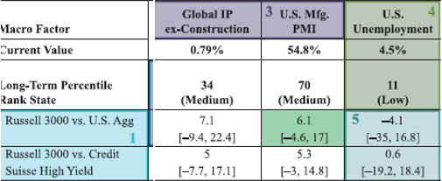 Create a list of time series for relative value trades, extract the sample from history that meets the condition of the current percentile macro factor and calculate the average 1-year forward return of the relative value trade | 0% | 1/8/25
Format output in a visually friendly manner
Complete separate Python Macro dashboard for other factor conditions
Complete separate Python Macro dashboard for factor condition (Current State and Stable) | 0% | 1/8/25
Complete separate Python Macro dashboard for factor condition (Current State and Rising) | 0% | 1/8/25
Complete separate Python Macro dashboard for factor condition (Current State and Declining)
Insert new rows ABOVE this one

